1. Login, 2.Main
ITO Tool should be developed as a Web Application, for flexibility use.

ITO Tool first page
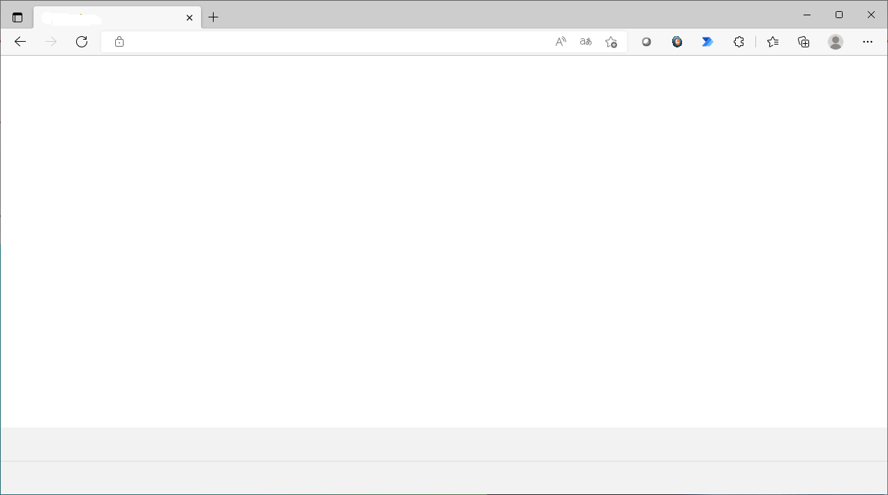

ITOP Tool

 |  |  | user Master
 |  |  |  | User
 |  |  |  | Password | (encryption)
Login Name
 |  |  |  | validity period

Password

Role

Administrator
User

Login

Forgot Password

After login completely, the next page is depend on role

If you select User role, the next page will be main page
Propose: This is main page that show overall information about number of vehicle, number of impacted vehicle, etc.

ITOP Tool

Login: xxxxx
Login Time:
Main menu
Single Serach
Mutiple Search
Reporting
Raw log
My Queue
Log out
Total LDCM Vehicle as of xx xxx xxxx: 2xx,xxx vehicles
Total CAL Lost Communication as of dd/mm/yyyy : 1,xxx vehicles
 |  |  | 12/13
 |  |  | No need for Single Search, Multiple Search
 |  |  | Only Search

3
Search

 |  |  | Reword to Custom Log
Reporting
4
RAW log
5

Menu
- General user accss My Queue - Administrator access Queue Manager
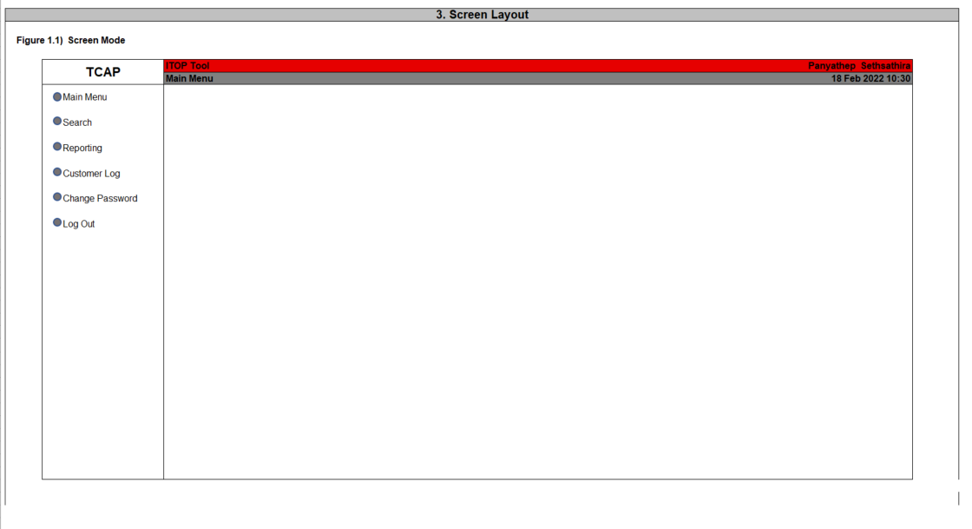
My Queue
6

Main menu
Single Serach
Mutiple Search
Reporting
Raw log
Queue Manager
Log out

Queue Manager

 | 12/13 | MAIN MENU screen
 | Main Menu => SideBar

3. Retrieve Snap Short
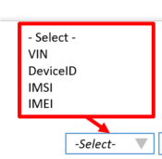
When Click Search the snap data and default log will be open
ITOP Tool

 |  |  | 12/13
 |  |  | 1 VIN (Device Only)Only

-Select-
Input VIN
Search
Login: xxxxx
Login Time:
Main menu
Single Serach
Mutiple Search
Recent job
Queue
Log out
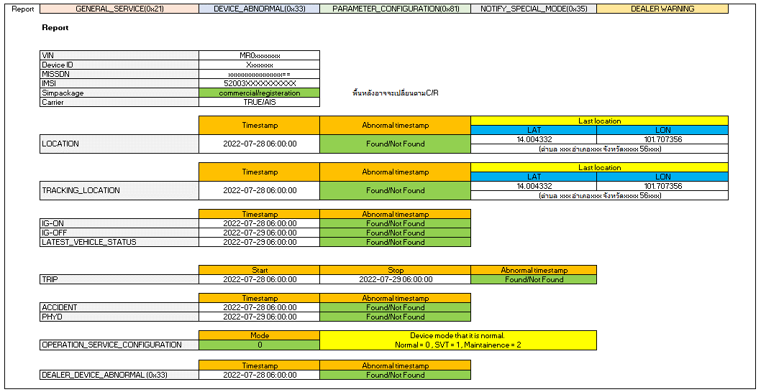
Snap Report
Request ID: xxxxxxxxxxx
 |  |  | process
 |  |  | (If DeviceID, IMSI or IMEI. Convert to VIN using LDCM Device Table
 |  |  | From each table. Select by VIN
 |  |  | Get Latest (Desc)

Search

Go to Generate Report Screen and put search criteria same as Snap shot Screen as Default
Gen Log

 |  | On click Gen Log, Entry parameter bring to generate report Screen

 | 12/13
 | This Tab name means Search

This will be covered in REPORT
Serach
Login: xxxxx
Login Time:
Main menu
Single Serach
Mutiple Search
Recent job
Queue
Log out

Input VIN : MRG00000xxxx
Default Tme Range
Customize

⁄
Report
GENERAL_SERVICE

Select the log data
⁄
DEVICE_ABNORMAL
⁄
PARAMETER_CONFIGURATION

NOTIFY_SPECIAL_MODE
DEALER WARNING

Go to Reporting (2.)

Create report

Go to Report (3.1)

3. Snapshot Table List
MSISDN encrypted sp do not include

Snap Report
 |  |  |  |  |  |  |  | Table | Field | Value
 |  | GET VIN, Carrier |  |  | INPUT |  | REFERENCE | ACT_LDCM_DEVICE | DeviceID | deviceIDA
 |  |  |  |  | SearchKey | Value |  |  | DELETE_FLAG | 0
 |  |  |  |  | DeviceID | deviceIDA | RETURN |  | VIN | vinA
 |  |  |  |  |  |  |  |  | IMSI | IMSIA
 |  |  |  |  |  |  |  |  | IMEI | IMEIA
 |  |  |  |  |  |  |  |  | DeviceID | deviceIDA

 |  |  |  |  | SearchKey | Value |  | Table | Field | Value
 |  |  |  |  | IMSI | IMSIA | REFERENCE | ACT_LDCM_DEVICE | IMSI | IMSIA
 |  |  |  |  | * need to add index |  |  |  | DELETE_FLAG | 0
 |  |  |  |  |  |  | RETURN |  | VIN | vinA
 |  |  |  |  |  |  |  |  | IMSI | IMSIA
 |  |  |  |  |  |  |  |  | IMEI | IMEIA
 |  |  |  |  |  |  |  |  | DeviceID | deviceIDA

 |  |  |  |  | SearchKey | Value |  | Table | Field | Value
 |  |  |  |  | IMEI | IMEIA | REFERENCE | ACT_LDCM_DEVICE | IMEI | IMEIA
 |  |  |  |  | *need to add index |  |  |  | DELETE_FLAG | 0
 |  |  |  |  |  |  | RETURN |  | VIN | vinA
 |  |  |  |  |  |  |  |  | IMSI | IMSIA
 |  |  |  |  |  |  |  |  | IMEI | IMEIA
 |  |  |  |  |  |  |  |  | DeviceID | deviceIDA

 |  |  |  |  | SearchKey | Value |  | Table | Field | Value
 |  |  |  |  | VIN | VINA | REFERENCE | ACT_LDCM_DEVICE | VIN | VINA
 |  |  |  |  |  |  |  |  | DELETE_FLAG | 0
 |  |  |  |  |  |  | RETURN |  | VIN | vinA
 |  |  |  |  |  |  |  |  | IMSI | IMSIA
 |  |  |  |  |  |  |  |  | IMEI | IMEIA
 |  |  |  |  |  |  |  |  | DeviceID | deviceIDA

 |  |  | Carrier Conversion from IMSI
 |  |  |  | 4th and 5th digit of IMSI
 | Abnormal Timestamp |  |  | 03 - AIS
 | *Future Date) |  |  | 04 - TRUE
 | Future Date = Abnormal Timestamp
 | vs sytemdate

 |  | Get SIM Package |  |  | SearchKey | Value |  | Table | Field | Value
 |  |  |  |  | VIN | VINA | REFERENCE | ACT_SIM_PACKAGE | VIN | VINA
 |  |  |  |  |  |  | RETURN |  | simPackage |  | values: Commercial, Registration

 |  | GetLocation |  |  | SearchKey | Value |  | Table | Field | Value
 |  |  |  |  | VIN | VINA | REFERENCE | LOCATION | VIN | VINA
 |  |  |  |  | SortKey |  | RETURN |  | GPS_TIMESTAMP |  | Convert to YYYY-MM-DD HH:MM:SS (GMT+0700)
 |  |  |  |  | TIMESTAMP | DESC |  |  | GPS_LAT_ANGLE |  | Convert to LATITUDE
 |  |  |  |  |  |  |  |  | GPS_LAT_DIRECTION |  | Convert to LATITUDE
 |  |  |  |  |  |  |  |  | GPS_LON_ANGLE |  | Convert to LONGTITUDE
 |  |  |  |  |  |  |  |  | GPS_LON_DIRECTION |  | Convert to LONGTITUDE

 |  | GetrTackingLocation |  |  | SearchKey | Value |  | Table | Field | Value
 |  |  |  |  | VIN | VINA | REFERENCE | TRACKING_LOCATION | VIN | VINA
 |  |  |  |  | SortKey |  | RETURN |  | GPS_TIMESTAMP |  | Convert to YYYY-MM-DD HH:MM:SS (GMT+0700)
 |  |  |  |  | TIMESTAMP | DESC |  |  | GPS_LAT_ANGLE |  | Convert to LATITUDE
 |  |  |  |  |  |  |  |  | GPS_LAT_DIRECTION |  | Convert to LATITUDE
 |  |  |  |  |  |  |  |  | GPS_LON_ANGLE |  | Convert to LONGTITUDE
 |  |  |  |  |  |  |  |  | GPS_LON_DIRECTION |  | Convert to LONGTITUDE

 |  | Get IG_ON |  |  | SearchKey | Value |  | Table | Field | Value
 |  |  |  |  | VIN | VINA | REFERENCE | IG_ON | VIN | VINA
 |  |  |  |  | SortKey |  | RETURN |  | GPS_TIMESTAMP |  | Convert to YYYY-MM-DD HH:MM:SS (GMT+0700)
 |  |  |  |  | TIMESTAMP | DESC

 |  | Get IG_OFF |  |  | SearchKey | Value |  | Table | Field | Value
 |  |  |  |  | VIN | VINA | REFERENCE | IG_OFF | VIN | VINA
 |  |  |  |  | SortKey |  | RETURN |  | GPS_TIMESTAMP |  | Convert to YYYY-MM-DD HH:MM:SS (GMT+0700)
 |  |  |  |  | TIMESTAMP | DESC

 |  | Get Latest_Vehicle_Status |  |  | SearchKey | Value |  | Table | Field | Value
 |  |  |  |  | VIN | VINA | REFERENCE | IG_OFF | VIN | VINA
 |  |  |  |  |  |  | RETURN |  | LATEST_STATUS_DATETIME |  | Convert to YYYY-MM-DD HH:MM:SS (GMT+0700)

 |  | Get TRIP |  |  | SearchKey | Value |  | Table | Field | Value
 |  |  |  |  | VIN | VINA | REFERENCE | TRIP | VIN | VINA
 |  |  |  |  | SortKey |  | RETURN |  | TRIP_ID
 |  |  |  |  | TRIP_ID | DESC
 |  |  |  |  |  |  |  | START | LEFT(TRIP_ID,14) |  | Convert to YYYY-MM-DD HH:MM:SS (GMT+0700)
 |  |  |  |  |  |  |  | STOP | RIGHT(TRIP_ID,14) |  | Convert to YYYY-MM-DD HH:MM:SS (GMT+0700)

 |  | Get ACCIDENT |  |  | SearchKey | Value |  | Table | Field | Value
 |  |  |  |  | VIN | VINA | REFERENCE | ACCIDENT | VIN | VINA
 |  |  |  |  | SortKey |  | RETURN |  | TIMESTAMP |  | Convert to YYYY-MM-DD HH:MM:SS (GMT+0700)
 |  |  |  |  | TIMESTAMP | DESC

 |  | Get PHYD |  |  | SearchKey | Value |  | Table | Field | Value
 |  |  |  |  | VIN | VINA | REFERENCE | PHYD | VIN | VINA
 |  |  |  |  | SortKey |  | RETURN |  | TIMESTAMP |  | Convert to YYYY-MM-DD HH:MM:SS (GMT+0700)
 |  |  |  |  | TIMESTAMP | DESC

 |  | Get Operation Service |  |  | SearchKey | Value |  | Table | Field | Value
 |  | Configuraiton |  |  | VIN | VINA | REFERENCE | OPERATION_SERVICE_CONFIGURATION | VIN | VINA
 |  |  |  |  |  |  | RETURN |  | TRANSITION_TARGET_MODE_DISPLAY

 |  | Get Dealer Device |  |  | SearchKey | Value |  | Table | Field | Value
 |  | Abnormal |  |  | VIN | VINA | REFERENCE | DEVICE_ABNORMAL | VIN | VINA
 |  |  |  |  | SortKey |  | RETURN |  | TIMESTAMP |  | Convert to YYYY-MM-DD HH:MM:SS (GMT+0700)
 |  |  |  |  | TIMESTAMP | DESC

4. Generate Report
ITOP Tool
Gen Log Data

-Select-
- Select -
VIN
DeviceID
IMSI
IMEI
 |  |  |  | 2022-12-13
 |  |  |  | process
 |  |  |  | (If DeviceID, IMSI or IMEI. Convert to VIN using LDCM Device Table
Serach
 |  |  |  | From each table. Select by VIN
Login: xxxxx
Login Time:
Main menu
Single Serach
Mutiple Search
Recent job
Queue
Log out
 |  |  |  | Get Latest (Desc)
Single Serach
Not applicable
•
Mutiple search
1. Input the variables block by ",".

Input VIN1, VIN2, VIN3, ...
Search
Default Tme Range
Not applicable
•
Customize
 |  |  |  | Need to parse based on CLI requirement
 |  |  |  | Cloudwatch uses "|"
Disable to use when serach mutiple.
Allow when come from Snap Report
Not applicable
Report
If click from Snap Shot Retrieve Screen, System will put search criteria same as Snap shot Screen as Default

GENERAL_SERVICE
⁄
DEVICE_ABNORMAL

⁄
PARAMETER_CONFIGURATION
NOTIFY_SPECIAL_MODE

DEALER WARNING

Select log
Go to Reporting (2.)
 |  |  |  | default is system date
 |  |  |  | can be changed to be different for each row
 |  |  |  | 2 date fields
 |  |  |  | FROM | TO

 | DynamoDB | Cloudwatch
Envt | Prefix
DEV | dev | dev | Report means Snapshot report
Pre-Prod | pre | pre
Prod | com | com

5. Generate Custom Report
ITOP Tool
Gen Log Data

Serach
Login: xxxxx
Login Time:
Main menu
Single Serach
Mutiple Search
Recent job
Queue
Log out
1. Input Log Group
(System Master)
-Select Log Group

fields @timestamp, @message
| sort @timestamp desc
 |  | Fixed Table List
 |  | prefix will be based on environment

Input Search Criteria
 | must key in same syntax as cloudwatch

default is system date
can be changed to be different for each row
2 date fields
FROM | TO
Generate Report

6. Report Monitoring
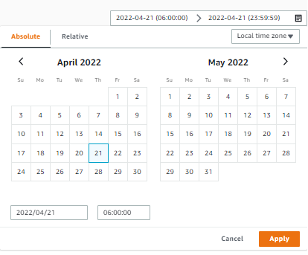
Report List
 |  |  |  |  |  |  |  |  |  |  | Queue list |  | Batch Controller?
Report Status
1. Complete
2. On Process
3. On Queue
4. Fail
Popup calendar
Report Screen
Execute next in queue
 |  |  |  |  |  |  |  |  |  |  |  |  |  | how many running concurrently?

Administrator can be change Piority
Search the report
 |  |  |  |  |  |  |  |  |  |  |  |  | Start Execute, Change Status
 |  |  |  |  |  |  |  |  |  |  | Click Generate |  | AWS Batch or Lambda?
 |  |  |  |  |  |  |  |  |  |  |  | RDS or DynamoDB?
Status
-select-
Request date
Search
 |  |  |  |  |  |  |  |  |  |  |  | No RDS on LDCM TH
User
user
Vin Number
vin
Report Generate
(Lambda or AWSBatch)

Single Search
Report Generate
Request ID | Request Timestamp | Priority | User | VIN | Job ID | Log Name | Period from | Period to | Status | Management
Jajah_RTimeSTMP | dd/mm/yyyy hh:mm:ss | 1 | Jajah | MRG00xxxxxxxx | xxx_0001 | Report | dd/mm/yyyy hh:mm:ss | dd/mm/yyyy hh:mm:ss | Complete | On Process
 |  |  |  |  | xxx_0002 | Genneral service | dd/mm/yyyy hh:mm:ss | dd/mm/yyyy hh:mm:ss | On process |  |  |  | generate Report
Link to Snap data page (1.1)
Admin can be cancel reuest
 |  |  |  |  | xxx_0003 | DEVICE_ABNORMAL | dd/mm/yyyy hh:mm:ss | dd/mm/yyyy hh:mm:ss | On process
 |  |  |  |  | xxx_0004 | PARAMETER_CONFIGURATION | dd/mm/yyyy hh:mm:ss | dd/mm/yyyy hh:mm:ss | On process
 |  |  |  |  | xxx_0005 | NOTIFY_SPECIAL_MODE | dd/mm/yyyy hh:mm:ss | dd/mm/yyyy hh:mm:ss | On process
 |  |  |  |  | xxx_0006 | DEALER WARNING | dd/mm/yyyy hh:mm:ss | dd/mm/yyyy hh:mm:ss | On process |  |  |  | Update Status
Multiple Search
Samran_RTimeSTMP | dd/mm/yyyy hh:mm:ss | 2 | Samran | MRG00xxxxxxxx1 | xxx_0007 | Report | dd/mm/yyyy hh:mm:ss | dd/mm/yyyy hh:mm:ss | - | Complete
 |  |  |  |  | xxx_0008 | Genneral service | dd/mm/yyyy hh:mm:ss | dd/mm/yyyy hh:mm:ss | - |  |  |  | Take Note, some process are a set
 |  |  |  |  | xxx_0009 | DEVICE_ABNORMAL | dd/mm/yyyy hh:mm:ss | dd/mm/yyyy hh:mm:ss | Complete
Report Status
1. Complete -> download link.
2. On Process
3. On Queue
5. Fail
5. - (Not search or No result) (or Not show?)
 |  |  |  |  | xxx_0010 | PARAMETER_CONFIGURATION | dd/mm/yyyy hh:mm:ss | dd/mm/yyyy hh:mm:ss | -
 |  |  |  |  | xxx_0011 | NOTIFY_SPECIAL_MODE | dd/mm/yyyy hh:mm:ss | dd/mm/yyyy hh:mm:ss | -
 |  |  |  |  | xxx_0012 | DEALER WARNING | dd/mm/yyyy hh:mm:ss | dd/mm/yyyy hh:mm:ss | -
 |  |  |  | MRG00xxxxxxxx2 | xxx_0013 | Report | dd/mm/yyyy hh:mm:ss | dd/mm/yyyy hh:mm:ss | - | Cancel
 |  |  |  |  | xxx_0014 | Genneral service | dd/mm/yyyy hh:mm:ss | dd/mm/yyyy hh:mm:ss | -
 |  |  |  |  | xxx_0015 | DEVICE_ABNORMAL | dd/mm/yyyy hh:mm:ss | dd/mm/yyyy hh:mm:ss | On Queue
 |  |  |  |  | xxx_0016 | PARAMETER_CONFIGURATION | dd/mm/yyyy hh:mm:ss | dd/mm/yyyy hh:mm:ss | -
 |  |  |  |  | xxx_0017 | NOTIFY_SPECIAL_MODE | dd/mm/yyyy hh:mm:ss | dd/mm/yyyy hh:mm:ss | -
Request job status
1. Complete
2. On Process
3. On Queue - Can be cancel by admin or job owner
4. Fail
 |  |  |  |  | xxx_0018 | DEALER WARNING | dd/mm/yyyy hh:mm:ss | dd/mm/yyyy hh:mm:ss | -

How to change queue by admin
1. Set piority
2. Cancel on queue job and create the new job
* On process job can't be cancel

 |  |  |  | Converted to VIN

8. Snap Shot Report
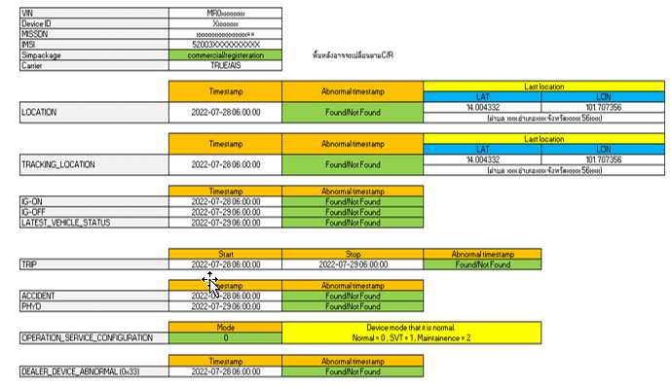

 |  | Label

 |  | Location in TH language?
 |  | Need VBA?

 | Found/not found
Fixed Excel Template
 | If not future timestamp, NOT FOUND
 | else FOUND

9. GENERAL_SERVICE(0x21)
Report | GENERAL_SERVICE(0x21) | DEVICE_ABNORMAL(0x33) | PARAMETER_CONFIGURATION(0x81) | NOTIFY_SPECIAL_MODE(0x35) | DEALER WARNING

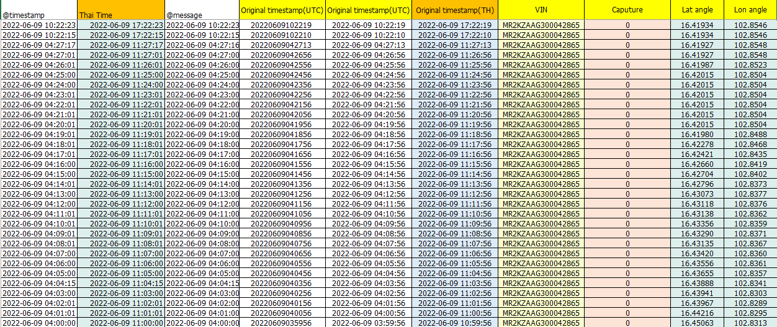

 | Parse from Message

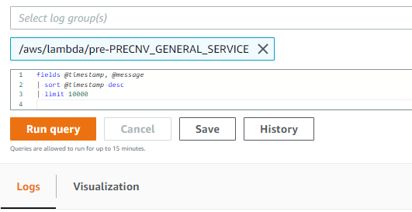

 |  |  |  |  | Refer to script file and excel template

10. DEVICE_ABNORMAL(0x33)
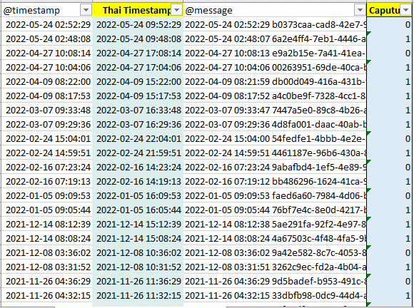
Report | GENERAL_SERVICE(0x21) | DEVICE_ABNORMAL(0x33) | PARAMETER_CONFIGURATION(0x81) | NOTIFY_SPECIAL_MODE(0x35) | DEALER WARNING

12. NOTIFY_SPECIAL_MODE(0x35)
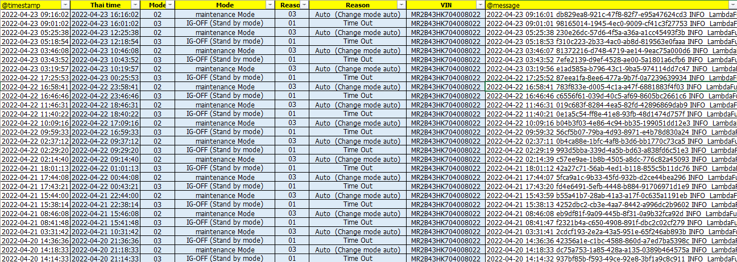
Report | GENERAL_SERVICE(0x21) | DEVICE_ABNORMAL(0x33) | PARAMETER_CONFIGURATION(0x81) | NOTIFY_SPECIAL_MODE(0x35) | DEALER WARNING

13. DEALER WARNING
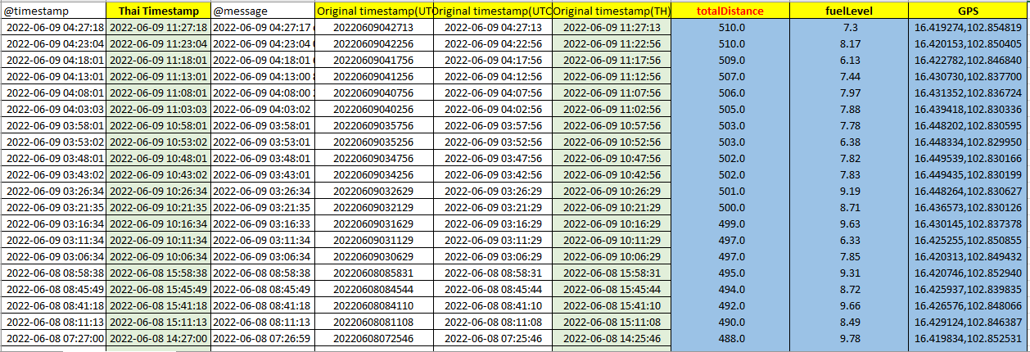
Report | GENERAL_SERVICE(0x21) | DEVICE_ABNORMAL(0x33) | PARAMETER_CONFIGURATION(0x81) | NOTIFY_SPECIAL_MODE(0x35) | DEALER WARNING

15. Full Report
Fixed
System Filled
Manual Attached
User Filled
Check list |  |  |  |  |  | T-Connect Result
No | Table name | Server / Device | Purpose of checking | Possible Causes of NG | ค่า OK / NG | Result | Check Result (user filled)
1 | [Index] VIN-index (ACT_LDCM_DEVICE: LDCMID) | DynamoDB | To check if this VIN is L-DCM or not (MSISDN = phone number was encript) | - Non L-DCM car - Incorrect SIM - Incorrect VIN | Found / Not found | MSISDN
Analyze column show OK or NG possible
 |  |  | To check the IMSI for matching with carrier description (No. 17) |  |  | IMSI
2 | [Table] com-ACT_SIM_Package | DynamoDB | Must be commercial To check if the sim is commercial yet | Not commercial package so need to escalate to SE | Match / Not match | Sim package
4 | [Table] com-LOCATION | DynamoDB | To check if the latest location date match the customer's information and No invalid timestamp. Note: In case found one, ITO will process to delete. | 1. Not found location data --> May be still be R-Package 2. No latest update for long time due connection issue (Match carrier check no.17) 3. Wrong timestamp 4. Wrong GPS location (out of range) 5. CAL flag shows "I" | Match / Not match | 4.1. Show abnormal tmestamp 4.2 'Last location is 2022-02-27 00:36:06 TH | found abnormal timestamp 2106 but don’t need to delete because lost connection. Last location is 2022-02-27 00:36:06 TH
5 |  | DynamoDB | To check if Lat Long in the log look normal or not. Note: If normal, it would be changes from time to time, not repeat. pls noted that if vehicle is in no GPS signal area (ex. In the building, Basement), it will send latest GPS location all the time until it capture GPS signal. Lat, Lon value still in the range. (Lat : 0-90. Lon : 0-180) | - Device works abnormally - Customer have not used the car since latest updated date. (Relate to acceptable period and match customer's information) | Match / Not match | Latest LAT,LON at 14.578803, 100.475672 (334 ตำบล บ้านอิฐ อำเภอเมืองอ่างทอง อ่างทอง 14000) | GPS normal,
6 | Find My Car location update | Find My Car website | To check the latest update location and date of car in Find My Car function which should match the location teble |  |  | For attached image
7 | [Table] com-TRACKING_LOCATION | DynamoDB | To only check if there is any invalid timestamp or not as this table will only be updated when SVT mode on. Note: In case found one, ITO will process to delete. | - Device works abnormally Note: If no updated data after turn on SVT mode, device may already transited to sleep mode (3 days after last connection) | Not found / have invalid time stamp | 7.1 show found invalid timestamp 7.2 Tracking LAT,LON at 14.578803, 100.475672 (334 ตำบล บ้านอิฐ อำเภอเมืองอ่างทอง อ่างทอง 14000)
 |  | DynamoDB | To check if Lat Long in the log look normal or not. Note: If normal, it would be changes from time to time, not repeat. pls noted that if vehicle is in no GPS signal area (ex. In the building, Basement), it will send latest GPS location all the time until it capture GPS signal. Lat, Lon value still in the range. (Lat : 0-90. Lon : 0-180) | - Device works abnormally - Customer have not used the car since latest updated date. (Relate to acceptable period and match customer's information) | Match / Not match | Latest LAT,LON at 14.578803, 100.475672 (334 ตำบล บ้านอิฐ อำเภอเมืองอ่างทอง อ่างทอง 14000) | Tracking location has no
10 | [Table] com-IG_ON | DynamoDB | To check if the latest date of IG On match the customer's information and location information and No abnormal timestamp. Note: In case found one, ITO will process to delete. | - Device works abnormally - Customer have not used the car since latest updated date. (Relate to acceptable period and match customer's information) | Match / Not match | 10.1 show found invalid timestamp 10.2 ig on LAT,LON at 14.578803, 100.475672 (334 ตำบล บ้านอิฐ อำเภอเมืองอ่างทอง อ่างทอง 14000) | Last IG on is 2022-02-26 23:06:05 TH
11 | [Table] com-IG_OFF | DynamoDB | To check if the latest date of IG Off match the customer's information and location information and No abnormal timestamp. Note: In case found one, ITO will process to delete. | - Device works abnormally - Customer have not used the car since latest updated date. (Relate to acceptable period and match customer's information) | Match / Not match | 11.1 show found invalid timestamp 11.2 ig off LAT,LON at 14.578803, 100.475672 (334 ตำบล บ้านอิฐ อำเภอเมืองอ่างทอง อ่างทอง 14000) | Found abnormal timestamp 2106 but don’t need to delete because lost connection. Last IG off is 2022-02-27 00:36:55 TH
12 | [Table] com-LATEST_VEHICLE_STATUS | DynamoDB | To only check if there is any invalid timestamp or not and must match with IG-Off Note: In case found one, ITO will process to delete. | - Device works abnormally - Customer have not used the car since latest updated date. (Relate to acceptable period and match customer's information) | Not found / have invalid time stamp | 12.1 show found invalid timestamp 12.2 Last VIN LAT,LON at 14.578803, 100.475672 (334 ตำบล บ้านอิฐ อำเภอเมืองอ่างทอง อ่างทอง 14000) | LATEST VEHICLE STATUS is 2022-02-27 00:36:55 TH
13 | [Table] com-TRIP | DynamoDB | To only check if there is any invalid timestamp or not and must with IG-Off Note: In case found one, ITO will process to delete. | - Device works abnormally | Not found / have invalid time stamp | Show latest trip ID and convert to timestamp start-stop | Last Trip ID is 2022-02-26 23:06:05 TH and 2022-02-27 00:36:55 TH
14 | [Table] com-ACCIDENT | DynamoDB | To only check if there is any invalid timestamp or not | - Device works abnormally | Not found / have invalid time stamp | tmestamp and G value | Accident has no
15 | [Table] com-PHYD | DynamoDB | To only check if there is any invalid timestamp or not | - Device works abnormally | Not found / have invalid time stamp | 15.1 show found invalid timestamp 15.2 Tracking LAT,LON at 14.578803, 100.475672 (334 ตำบล บ้านอิฐ อำเภอเมืองอ่างทอง อ่างทอง 14000) | Last PHYD on is 2022-02-27 00:36:04 TH
16 | Check vehicle info. | T-Connect website | To check the vehicle information such as Mileage, Fuel and Vehicle status |  |  | For attached image
17 | com-PRECNV_CONFIGURATION (0x81) | Cloudwatch (More in detail/ Evidence) | To check connection between device and server. It must relate with IG on data. | - Connection issue - Device issue | Match / Not match or lost for more than 7 days | Found device and server last connection at 2022-02-27 00:37:02 TH (on cloud watch)
18 | Carrier Description | Carrier Portal | To check if the IMSI matches |  |  | For attached image
 | Connection activity |  | To check the activity of connnection Add example of normal display (the display show the same or not when engine on/off?) |  |  | For attached image | AIS portal found lost connection in the last 7 days.
 | Confirmation |  | To get the confirmation description from carrier side From issue ticket to carrier |  |  | For attached image | From the investigation past 30 days, we didn't find a log of IMSI:520039300183452 connected to the network. Please check the customer's equipment.
19 | [Table] com-OPERATION_SERVICE_CONFIGURATION | DynamoDB | To check device mode that it is normal. Normal = 0 SVT = 1 Maintainence = 2 blank = not match | - SVT mode - Maintainenance mode (OBD port / ECU remap) | Match (show = 0) | Show result normal / SVT / Maintenance / Not match
20 | DEALER_DEVICE_ABNORMAL (0x33) | Cloudwatch (More in detail/ Evidence) | To check GPS module log. If there is one in log, it can mean that device works abnormally at that time. | Device is working abnormally | Not found or Long time ago log / Found on the related period | For attached file | Device abnormal mode caputure=0 its mean working normal
 |  | DynamoDB | To only check if there is any invalid timestamp or not | Device is working abnormally |  | Found / not found

